TABELA SLA
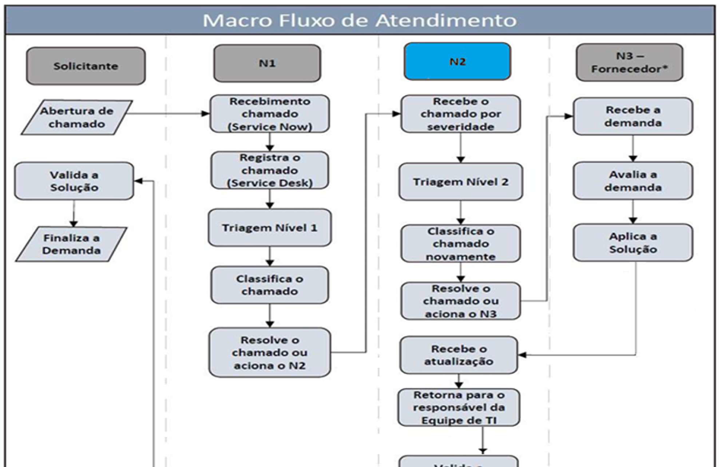

Contatos dos Analistas
Nome | Celular | Email Cast | Email Tereos
Jimmy Chiogna | (11) 982042328 | jimmy.chiogna@castgroup.com.br | jimmy.chiogna-external@tereos.com
Danilo Eduardo | (61) 995514590 | danilo.vieira@castgroup.com.br | danilo.vieira-external@tereos.com
Letícia Caroline | (61) 981723789 | leticia.freitas@castgroup.com.br | leticia.silva-external@tereos.com
Rodrigo Leandro | (61) 999187214 | rodrigo.leandro@castgroup.com.br | rodrigo.lima-external@tereos.com
Simone Dantas | (11) 94714-2035 | simone.dantas@castgrouppartner.com.br | simone.dantas-external@tereos.com
Diego Corrêa | (51) 9710-3060 | diego.onmousemove@castgrouppartner.com.br | diego.correa-external@tereos.com
Igson | (92) 8100-3580 | igson.silva@castgroup.com.br | igson.silva-external@tereos.com
Anelize | (61) 8151-1351 | anelize.gehres@castgroup.com.br | anelize.gehres-external@tereos.com
Jorgyvan | (11) 93713-6730 | jorgyvan.lima@castgroup.com.br | jorgyvan.lima-external@tereos.com
 |  |  | Scalation
N3 Cast - Tereos |  |  | Agricola | Nome | Telefone | E-mail
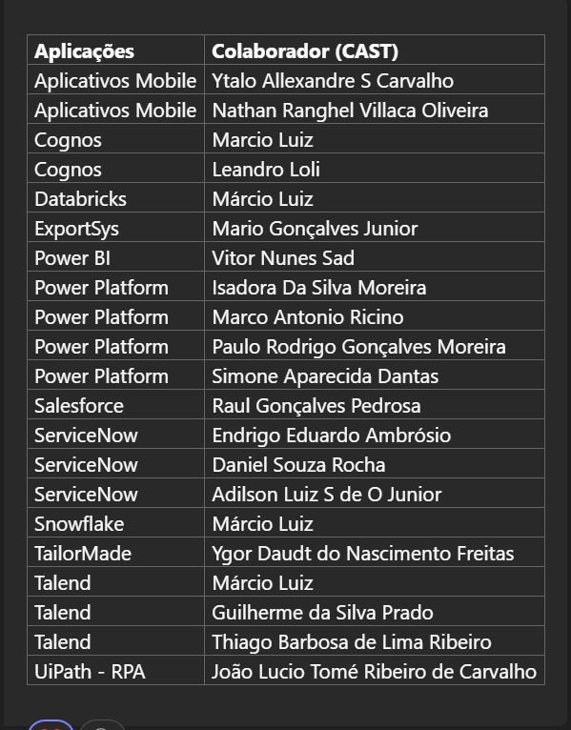
 |  |  | SimpleFarm / Fercus / Planej.Colheita / Simplefarm Mobile | Jorgyvan das 18:00h as 02:00h | (11) 93713-6730
 |  |  | 1º contato | Danilo Vieira | (61) 995514590 | danilo.vieira-external@tereos.com danilo.vieira@castgroup.com.br
 |  |  | 2º contato | Jimmy Chiogna | (11) 982042328 | jimmy.chiogna-external@tereos.com
 |  |  | 3º contato | Thales Fossalussa | (17) 99706-5355 | thales.fossalussa@tereos.com
 |  |  | 4º contato | Luciano de Souza | (17) 98177-4445 | luciano.souza@tereos.com
 |  |  | 5º contato | Caio Albuquerque |  | caio.albuquerque@tereos.com

 |  |  | Agricola | Nome | Telefone | E-mail
 |  |  | Inceres /Scouting /Mapfy /Solinftech (SGIB) (SGPA) /Logtrac /Amigo produtor (web) (site antigo) (mobile) / Salesforce (Agricula) / TPS / Oficina (POV) | Jorgyvan das 18:00h as 02:00h | (11) 93713-6730
 |  |  | 1º contato | Rodrigo Leandro | (61) 999187214 | rodrigo.lima-external@tereos.com rodrigo.leandro@castgroup.com.br
 |  |  | 2º contato | Jimmy Chiogna | (11) 982042328 | jimmy.chiogna-external@tereos.com
 |  |  | 3º contato | Thales Fossalussa | (17) 99706-5355 | thales.fossalussa@tereos.com
 |  |  | 4º contato | Luciano de Souza | (17) 98177-4445 | luciano.souza@tereos.com
 |  |  | 5º contato | Caio Albuquerque |  | caio.albuquerque@tereos.com

 |  |  | Industria | Nome | Telefone | E-mail
 |  |  | NIR DS 2500 / NIR Profoss / GATEC Industria (TSEB) (TSSB) / Saaf (Ionics) / SCA+ (Unidata) | Jorgyvan das 18:00h as 02:00h | (11) 93713-6730
 |  |  | 1º contato | Danilo Vieira | (61) 995514590 | danilo.vieira-external@tereos.com danilo.vieira@castgroup.com.br
 |  |  | 2º contato | Jimmy Chiogna | (11) 982042328 | jimmy.chiogna-external@tereos.com
 |  |  | 3º contato | Thales Fossalussa | (17) 99706-5355 | thales.fossalussa@tereos.com
 |  |  | 4º contato | Luciano de Souza | (17) 98177-4445 | luciano.souza@tereos.com
 |  |  | 5º contato | Caio Albuquerque |  | caio.albuquerque@tereos.com

 |  |  | Industria | Nome | Telefone | E-mail
 |  |  | Argus Analytics / Argus DS / MHA / Primavera P6 / Autolab / SmartZ (Zella) / EasyProcess / Argus gestão de monitoramento | Jorgyvan das 18:00h as 02:00h | (11) 93713-6730
 |  |  | 1º contato | Diego Correa | (51) 9710-3060 | diego.correa-external@tereos.com diego.onmousemove@castgrouppartner.com.br
 |  |  | 2º contato | Jimmy Chiogna | (11) 982042328 | jimmy.chiogna-external@tereos.com
 |  |  | 3º contato | Thales Fossalussa | (17) 99706-5355 | thales.fossalussa@tereos.com
 |  |  | 4º contato | Luciano de Souza | (17) 98177-4445 | luciano.souza@tereos.com
 |  |  | 5º contato | Caio Albuquerque |  | caio.albuquerque@tereos.com

 |  |  | ADM (Com / Log / Supri) | Nome | Telefone | E-mail
 |  |  | E-commerce Guarani / Future Source / Confirma facil / Goflux / ME / Uipath (RPA) / Salesforce (CRM Comercial) / TSB / Tailor Made | Jorgyvan das 18:00h as 02:00h | (11) 93713-6730
 |  |  | 1º contato | Simone Dantas | (11) 94714-2035 | simone.dantas-external@tereos.com simone.dantas@castgrouppartner.com.br
 |  |  | 2º contato | Jimmy Chiogna | (11) 982042328 | jimmy.chiogna-external@tereos.com
 |  |  | 3º contato | Thales Fossalussa | (17) 99706-5355 | thales.fossalussa@tereos.com
 |  |  | 4º contato | Luciano de Souza | (17) 98177-4445 | luciano.souza@tereos.com
 |  |  | 5º contato | Caio Albuquerque |  | caio.albuquerque@tereos.com

 |  |  | ADM (Financ/Cont/Trib/Juri) | Nome | Telefone | E-mail
 |  |  | CapWorkflow / Docusign / Bloomberg / Hubly / X Treasure / Mastersaf DW / Cognos / OSGT (Exportsys) / Projuris ADV / IRPJ / Mastersaf Onesource | Jorgyvan das 18:00h as 02:00h | (11) 93713-6730
 |  |  | 1º contato | Leticia Caroline | (61) 981723789 | leticia.silva-external@tereos.com leticia.freitas@castgroup.com.br
 |  |  | 2º contato | Jimmy Chiogna | (11) 982042328 | jimmy.chiogna-external@tereos.com
 |  |  | 3º contato | Thales Fossalussa | (17) 99706-5355 | thales.fossalussa@tereos.com
 |  |  | 4º contato | Luciano de Souza | (17) 98177-4445 | luciano.souza@tereos.com
 |  |  | 5º contato | Caio Albuquerque |  | caio.albuquerque@tereos.com

 |  |  | ADM (RH) | Nome | Telefone | E-mail
 |  |  | Tereos Conecta / MOB / PontoWeb / Sistema Grill / Senior / Senior SDE / Waccess Invenzi | Jorgyvan das 18:00h as 02:00h | (11) 93713-6730
 |  |  | 1º contato | Anelize Paz | (61) 8151-1351 | anelize.gehres@castgroup.com.br anelize.gehres-external@tereos.com
 |  |  | 2º contato | Jimmy Chiogna | (11) 982042328 | jimmy.chiogna-external@tereos.com
 |  |  | 3º contato | Thales Fossalussa | (17) 99706-5355 | thales.fossalussa@tereos.com
 |  |  | 4º contato | Luciano de Souza | (17) 98177-4445 | luciano.souza@tereos.com
 |  |  | 5º contato | Caio Albuquerque |  | caio.albuquerque@tereos.com

